Cover Page
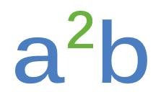

CERTIFIED

TEST, ADJUST, and BALANCE REPORT



 | PROJECT NAME

 | PROJECT ADDRESS

 | REPORT DATE

 | MECHANICAL CONTRACTOR

 | ENGINEER

 | ARCHITECT

 | NEBB CERTIFIED TAB FIRM: |  | a2b accurate air balancing, llc

 | ADDRESS: |  | PO Box 2050 Seabrook, NH 03874 Windham, NH 03087

 |  | CERTIFICATION NUMBER: |  | 3673

NEBB Cert
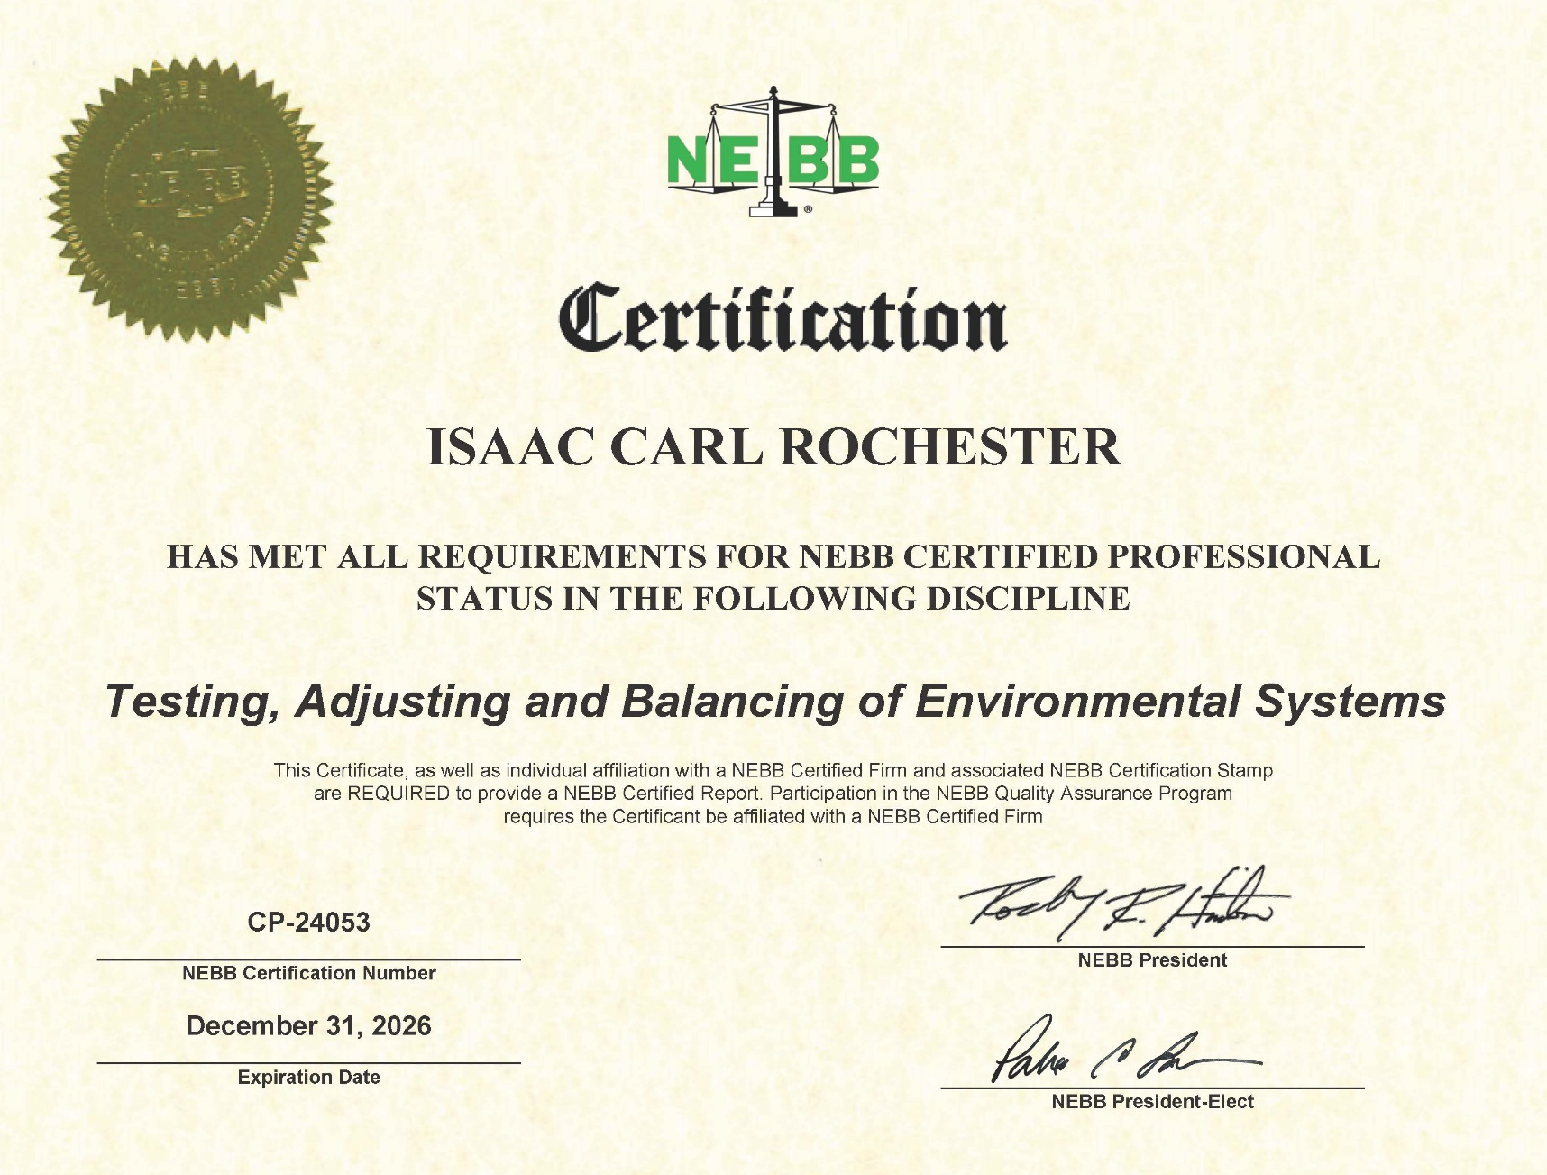

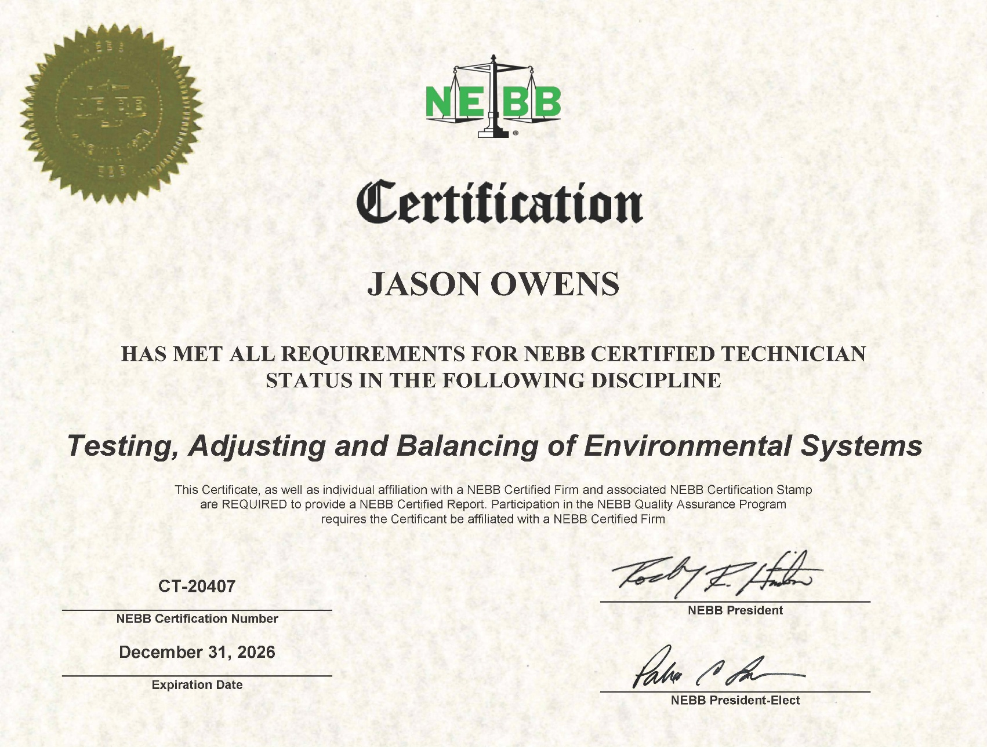

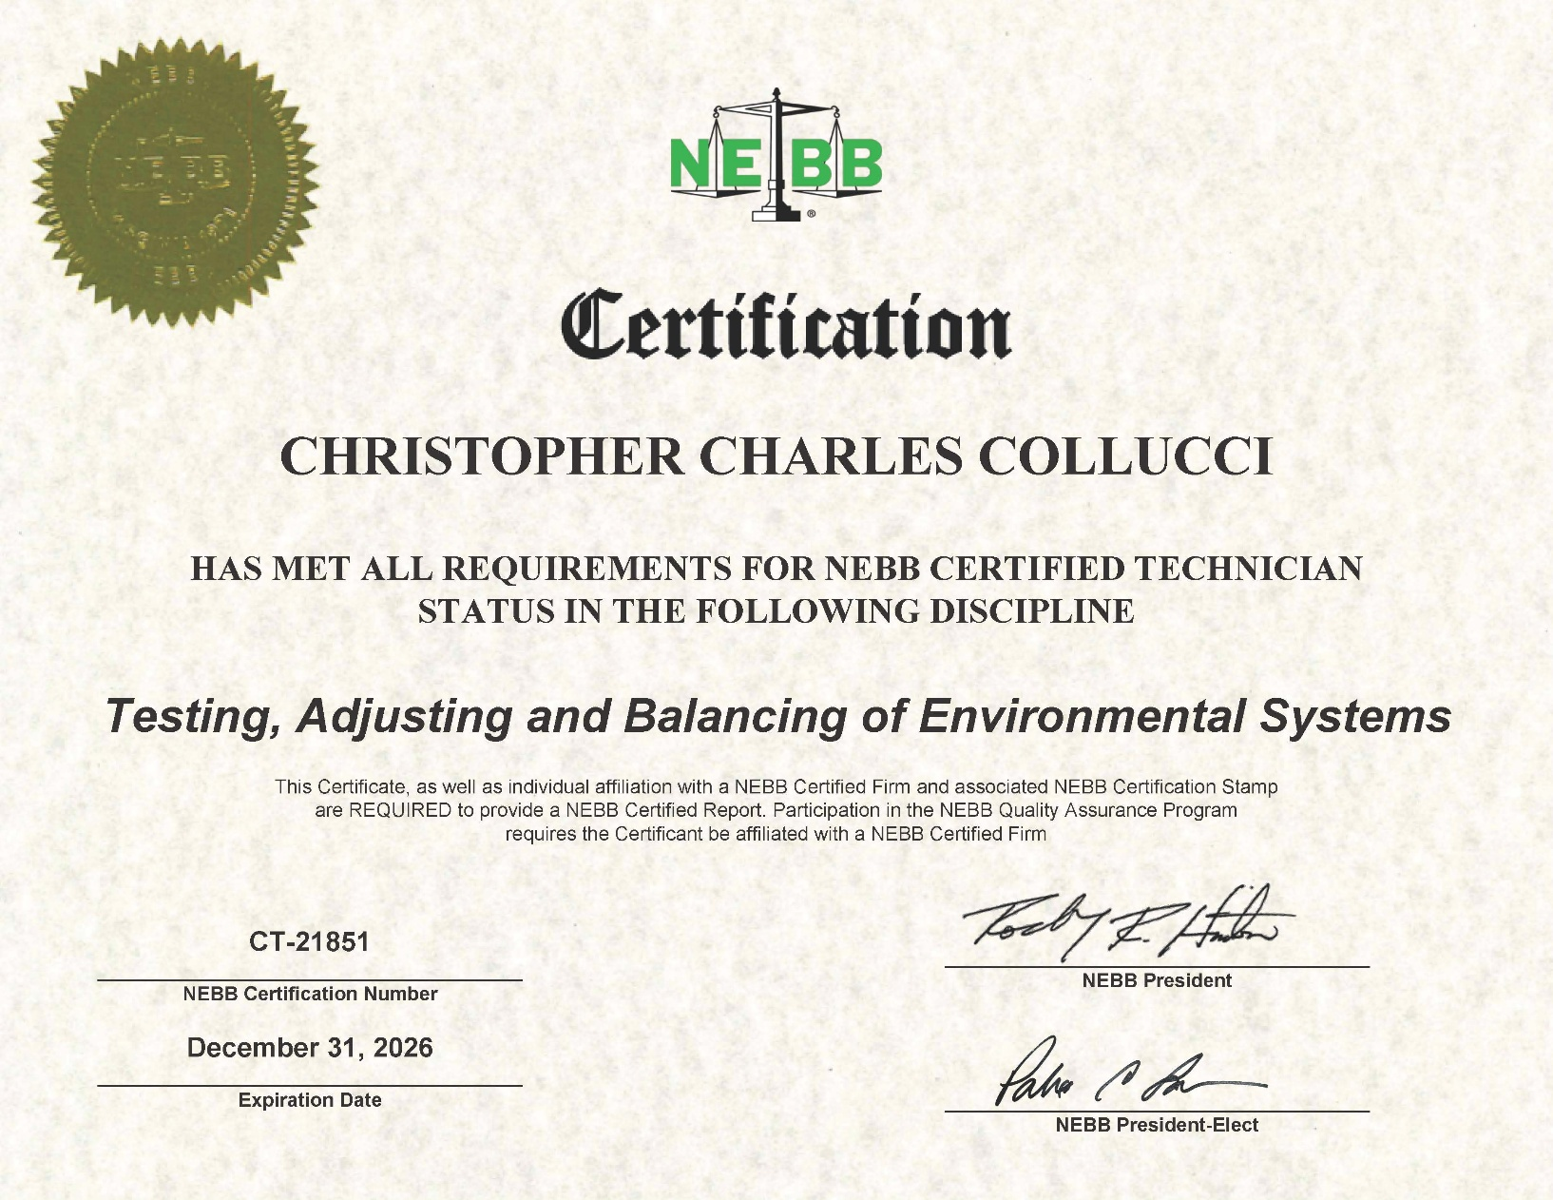

NEBB Frm Cert
